Q2 Ans
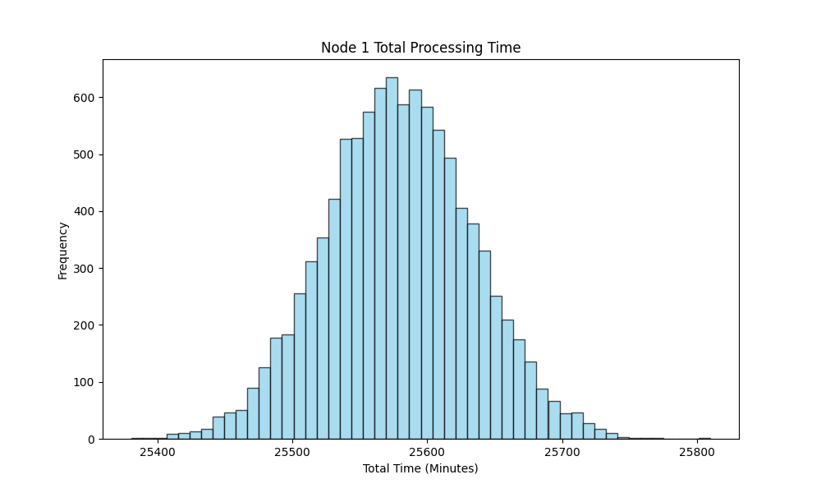
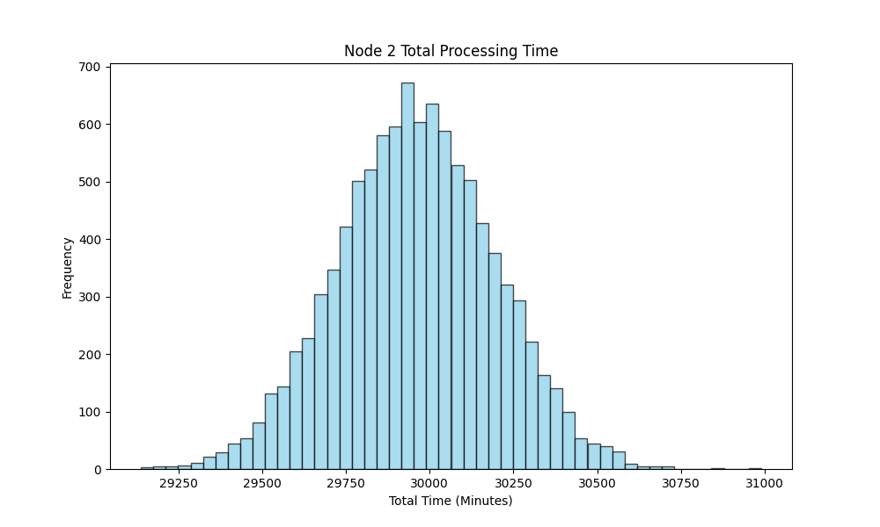
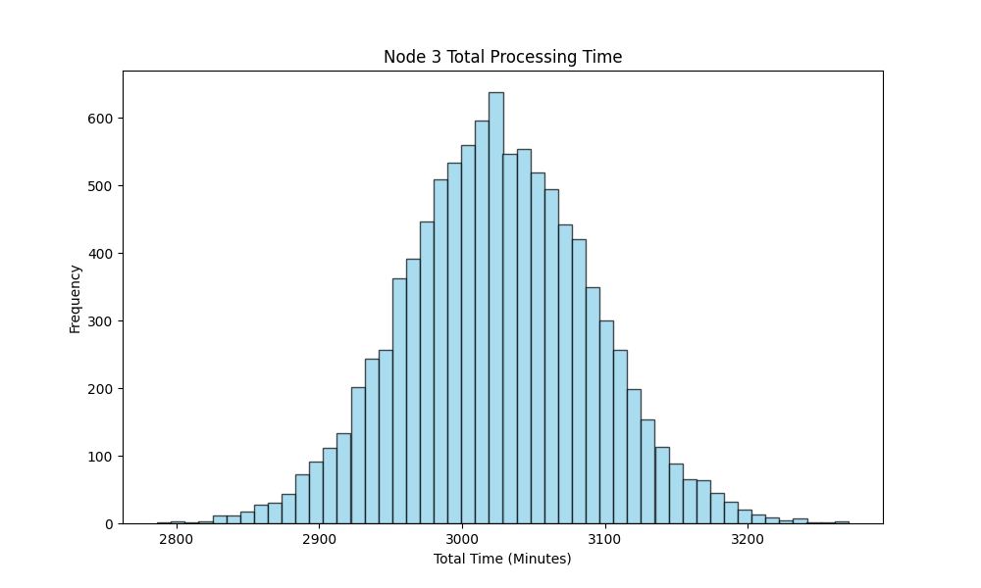
Part A | (a) | Node | Mean | S.D |  |  | Q1'26 Load
 |  | 1 | 2.13162614 | 0.50071057 |  | Node 1 | 12000
 |  | 2 | 5.99186176 | 3.29267362 |  | Node 2 | 5000
 |  | 3 | 3.0244602 | 2.0549047 |  | Node 3 | 1000

 | (b) | Node | Expected value
 |  | 1 | 1.81188222
 |  | 2 | 4.49389632
 |  | 3 | 1.81467612

 | (c) | Workstation | H | I | J |  |  | Node 1 | Node 2 | Node 3
 |  | Utilization | 85% | 75% | 60% |  | Loading * Minute Load | 25200 | 30000 | 2100
 |  | Minute Load | 2.1 | 6 | 2.1 |  | Tool Requirement | 2.941176471 | 3.968253968 | 0.3472222222

 |  | Total Tool Requirement |  | 7.256652661

 |  | Number of Simulations and X number of Wafers in each simulation = 10000
 |  | Graphs of Normal Distribution of time to make X wafers

